Instructions
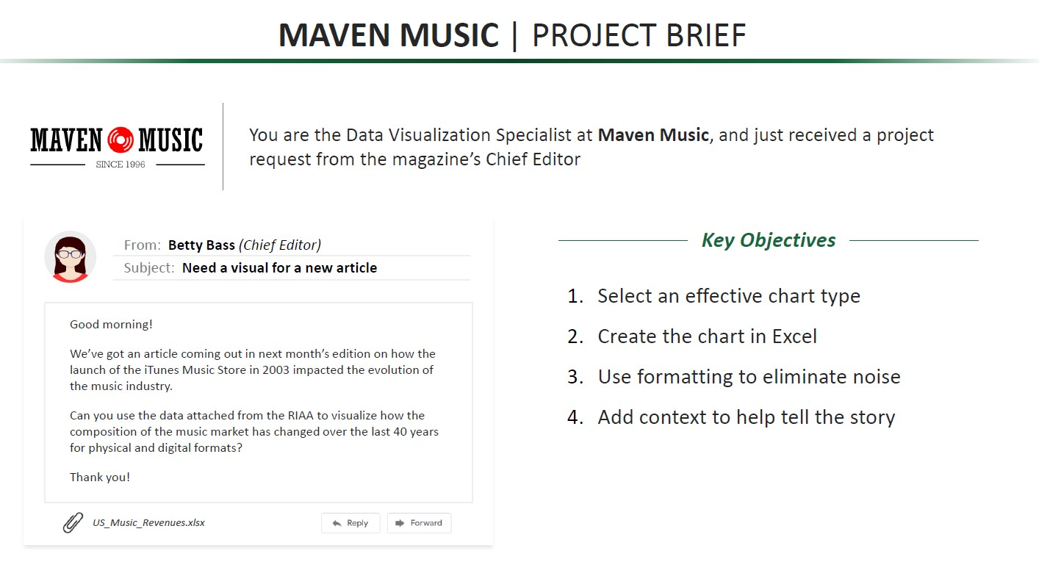

Data
Digital formats dominate the music industry now but there is 50% decrease in peak revenue
 | Revenue (MM)
Year | Physical | Digital
1973 | $11,612 | $0
1974 | $11,407 | $0
1975 | $11,350 | $0
1976 | $12,298 | $0
1977 | $14,769 | $0
1978 | $16,200 | $0
iTunes Launch Year
1979 | $12,943 | $0
1980 | $11,424 | $0
1981 | $11,177 | $0
1982 | $9,613 | $0
1983 | $9,719 | $0
1984 | $10,666 | $0
1985 | $10,365 | $0
1986 | $10,825 | $0
1987 | $12,522 | $0
1988 | $13,517 | $0
1989 | $13,565 | $0
1990 | $14,751 | $0
1991 | $14,705 | $0
1992 | $16,444 | $0
1993 | $17,775 | $0
1994 | $20,818 | $0
1995 | $20,668 | $0
1996 | $20,423 | $0
1997 | $19,492 | $0
1998 | $21,505 | $0
1999 | $22,381 | $0
2000 | $21,266 | $0
2001 | $19,836 | $0
2002 | $17,926 | $0
2003 | $16,471 | $0
2004 | $16,450 | $258
2005 | $14,655 | $1,433
2006 | $12,515 | $2,398
2007 | $9,849 | $3,287
2008 | $6,848 | $3,574
2009 | $5,484 | $3,848
2010 | $4,295 | $3,928
2011 | $3,843 | $4,267
2012 | $3,087 | $4,725
2013 | $2,704 | $5,016
2014 | $2,291 | $4,938
2015 | $2,009 | $5,230
2016 | $1,654 | $6,419
2017 | $1,560 | $7,615
2018 | $1,176 | $8,849
2019 | $1,148 | $9,963

